Sheet1
THREAD: War, Politics, Business, Transcending Hierarchies

War | Politics | Business What do these things have in common? The traits that help with succeeding in them. -High IQ (1) -High Cunning (2) -High Energy/Industriousness (3) -Low Agreeableness (Capacity for Ruthlessness) (4) -Low Neuroticism (High Stress Tolerance) (5)
If you are smart, cunning, energetic, ruthless, and calm, the probability you will succeed in War, Politics, and Business is very high. If you are dumb, naive, lethargic, compassionate, and neurotic, the probability you will succeed in War, Politics, or Business is very low.
TRAITS TO TRANSCEND MACRO DOMINANCE HIERARCHIES: //The 5 listed previously for War/Politics/Business AND -Be Good Looking (Halo Effect) (6) -Be Born into a Rich Family (Parental Wealth) (7)
If you are good looking, transcending hierarchies is easier since you benefit from the halo effect. If you are born into a rich family, transcending the macro hierarchy you live in is easy....since you were already born at the top.
During my own life, I had all 7 of these traits. Caveat: Energy levels were recently wrecked.

THREAD: 99% of Twitter boils down to: -Narcissistic Denigration -Status Signalling -Toughness Signalling
Narcissistic Denigration = Denigrating others, so you can feel superior in comparison
Status Signalling = Bragging about how high your status is in the macro dominance hierarchy (driving an expensive car, living in a mansion)
Toughness Signalling = Bragging about how tough you are
Every person has the potential to do Narcissistic Denigration, Status Signalling, and Toughness Signalling. However, narcissistic men do it far more often than most people, and with absurd intensity.
When an old person says "When I was your age, things were WAY harder", they are doing both Narcissistic Denigration and Toughness Signalling at the same time.

What men are like is a reflection of what women consider to be sexually attractive. All the men who women considered to be unattractive failed to reproduce and were thus eliminated from the gene pool.

It is valuable to be aware of what the rule is, and also of what the exceptions are. It is counterproductive to think that the existence of exceptions, invalidates the validity of the rule.

100% of women have a baseline minimum level of cunning.
Most men are not cunning.

Of men who are cunning, they generally fall into 3 categories: -Narcissistic Men -Psychopathic Men -Neurotypical Men, who go out of their way to learn cunning (they spend time reading books such as 'The 48 Laws of Power'
There are Autistic Women, who are not cunning at all (autists, whether male or female, seem to be completely devoid of cunning). However, they are exceptionally rare outliers.

If you are an entrepreneur and the business model you are creating is *NOT* scalable, the probability you will get rich from it is almost zero. Scalability is necessary (though not sufficient) for getting rich.

THREAD: Machiavellianism From My Father The first place I learned cunning was from my father. He grew up poor, and managed to go from rags to riches by starting a business.
The main applications of cunning I witnessed him execute? -Charming Customers, so that they'd buy product from his business rather than a competitor's -Persuading Bankers, to lend capital to start and expand his business
-Zero Sum Negotiation with Suppliers, getting multiple suppliers in the same room, and getting them to compete against one another on price
-Law 46: NEVER FLAUNT YOUR WEALTH. If you are rich, then by all outward appearances seem to be just one more middle class average Joe. This will shield you from envy, backstabbing...and lawsuits.
Charm was always his most critical tool...
Charm Customers: when they like you, they are more likely to come to your business rather than a competitor's Charm Bankers: when they like you, they are more likely to lend to you and they are more inclined to give you low interest rates
Charm Suppliers: when they like you, they are more inclined to give you discounts (low prices).
Note: Details have been intentionally changed, for the sake of obscuring his identity.

He met my mom via cold daygame approach when he was broke, so you know he's a G.
Mom believed in him when he had nothing and was nothing.
Endeavour to marry a woman who feels the same way about you.

Opinion: Egotistical and impulsive people should not be entrusted with decision-making.
Their egotism will drive them to make decisions that stroke their ego, but that are strategically counterproductive. Their impulsivity will drive them to take actions that feel good in the moment, but that have catastrophic long term consequences.
Trump is far too egotistical and impulsive to be entrusted with decision-making. This is not a political comment; it is a psychological comment.

Both autists and psychopaths often seem cold and detached; psychopaths always have sky high stress tolerances, and autists often have stress tolerances above average.
Caveat: *Highly Functional* Autists often have very high stress tolerance.
So if you notice a man has a sky high stress tolerance, is there a way of telling whether he is psychopathic, or autistic, or just a neurotypical guy with an unusually high stress tolerance?
Pay attention to how well or how badly he does with seducing women.
If he's extremely good at seducing women, and charming people in general, the probability he is autistic is practically zero. There is a high chance he's psychopathic.
If he's very socially awkward and bad at seducing women, the probability he's psychopathic is very low, the probability he's autistic is rather high.

Testosterone levels in western men have been falling in recent decades. Hopefully, the lower testosterone levels of the male population can delay or prevent violent revolution.
If you are a western woman and you encounter a man with high testosterone levels, who is NOT narcissistic, and NOT psychopathic... Marry him. You will not find better than that.

Hypergamy is eugenic, in some sense. Female hypergamy makes it so that competent males reproduce more often than incompetent males.

If you have employees who fulfil their basic job duties, and who don't require you to act like Genghis Khan to get their compliance, be grateful. It could be a lot worse.

Doing wealth redistribution (taxing rich people and giving free stuff to the masses) does not change the fact that wealth is Pareto distributed. What it does do, is decrease how intense the inequality of the Pareto distribution is.
In Singapore (little to no wealth redistribution), wealth is Pareto distributed, and the inequality is intense (Gini Coefficient around 50%). In Denmark (lots of wealth redistribution), wealth is Pareto distributed, and the inequality is gentle (Gini Coefficient around 30%).

In every society, wealth is Pareto distributed. *However*, the degree to which the Pareto distribution is unequal (how intense the inequality is), *does vary* from one society to another.
In societies such as Denmark, where there is generous redistribution, wealth is Pareto distributed but the inequality is very gentle.
In societies such as America and Singapore where there is very little redistribution (or none at all in the case of Singapore), wealth is Pareto distributed and the inequality is intense.
Changing the fact that wealth is Pareto distributed is *impossible*. Alleviating how intense the inequality of the Pareto distribution is, *is very doable*.

Wages for a majority of the population have been going down for the past 30-50 years (started somewhere in the range of 1970 - 1990). Why has this happened? Automation and outsourcing have decreased the demand for labor, and thereby decreased wages, on a macro level.
1970, American Man 50th Percentile Income: Can buy a house in the suburbs. 2020, American Man 50th Percentile Income: Buying a house is a pipe dream. If he is lucky, he can rent a studio apartment.
Economists tell you wages have been *flat* for most Americans, for the past 50 years. I say this is a lie. I say wages have been *down* for most Americans, for the past 50 years.

The Ideal Wealth Redistribution Strategy: -have universalised healthcare (at minimum) -have universal basic income (at maximum) That's it. No welfare, no social security, no Section 8 housing.
The Ideal Tax Structure: -high capital gains taxes -low income taxes -ZERO 'Corporate Tax Rate' (the double taxation that is 'Corporate Tax Rate' PLUS Income/Capital Gains taxes...is insanity).

Wages for a majority of the population have been going down for the past 30-50 years (started somewhere in the range of 1970 - 1990). Why has this happened? Automation and outsourcing have decreased the demand for labor, and thereby decreased wages, on a macro level.
1970, American Man 50th Percentile Income: Can buy a house in the suburbs. 2020, American Man 50th Percentile Income: Buying a house is a pipe dream. If he is lucky, he can rent a studio apartment.
Economists tell you wages have been *flat* for most Americans, for the past 50 years. I say this is a lie. I say wages have been *down* for most Americans, for the past 50 years.
1970: Grandad has a highschool diploma, an IQ of 100, and gets a job in the local factory. Works 40 hours a week. Is paid enough money to buy a house in the suburbs, support a wife and 2 kids.
2019: Grandson has a bachelors degree in Finance, an IQ of 130, and manufactures complex financial products to be sold to investors. Works 60 hours a week. Is paid enough money to buy a studio condo; buying a house would be unwise (would strain his income to its limits).
From 1970 - 2020, housing prices skyrocketed. Wages did not. TLDR: Housing prices have been rising faster than wages, and as such, *REAL WAGES HAVE BEEN GOING DOWN for most of the population*. Note: This comment is regarding America
Why did real wages go down for most Americans, from 1970 - 2020? Automation and Outsourcing decreased the demand for labor, and thereby, decreased wages.

1970 America: There is a middle class. 2020 America: There is no middle class. Boomers: You had the option of being average, and getting a decent quality of life. Zoomers: If you are average, your life will be terrible. SHOOT FOR THE STARS, OR DROWN
"The American Middle Class" is my favorite fictional character. It exists in the stories told by politicians and economists, but not in reality. Yes, America had a middle class from 1946 - 1979. From 1980 - 2020, there has been no middle class.
This is not meant to be a complaint ("Life is hard please help me!!!". It is an accurate statement about reality; the middle class is non-existent.

Thread: RHETORIC Rhetoric = Words that sound good, but that have no specific meaning. The masses are dumb enough to fall for rhetoric.
Leftwing Rhetoric: 'Equality' 'Fairness' 'Justice
Rightwing Rhetoric: 'Strength' 'National Unity' 'Patriotism'
Obama 2008, Leftwing Rhetoric: "Hope and Change"
Trump 2016, Rightwing Rhetoric: "Make America Great Again"

Thread: IMMIGRATION
Leftwing: All immigration is good.
Rightwing: All immigration is bad.
Sanity: Some immigrants make a country a better place, others make it a worse place. Give all prospective immigrants an IQ test; let in the high IQ one's, reject everyone else. Why? Because high IQ people are great at creating wealth, low IQ people suck at creating wealth.

Thread: WEALTH REDISTRIBUTION
Leftwing: All wealth redistribution is good. Give the masses free stuff. Fund it by raising taxes on rich people. Fund it by having the government engage in deficit spending, and sooner or later bankrupt the country.
Rightwing: All wealth redistribution is bad. Zero wealth redistribution, even when the rich are doing lines of cocaine on yachts and the poor are starving in the streets.
Sanity: Do enough redistribution to ensure there aren't poor people starving in the streets (give the peasantry enough free stuff so that they don't launch a revolution). Fund it via taxation. Do NOT have the government engage in deficit spending (causing future bankruptcy).

Thread: VIRTUE SIGNALLING
Virtue requires self sacrifice, is done for the benefit of others, and can be done in private. Virtue Signalling requires zero sacrifice, is done for the benefit of one's own reputation, and requires an audience.
Leftwing Virtue Signalling: Talking about how terrible racism is, while doing nothing to help black people suffering from poverty.
Rightwing Virtue Signalling: Having a 'Support The Troops' sign on your car, while doing nothing to help homeless veterans suffering from PTSD.

Thread: RACISM
Leftwing Racism: Affirmative Action. We hold different job applicants to different standards, depending on which racial group they come from .
Rightwing Racism: White Supremacy. We reject any job applicants without white skin, because we only like people with white skin.
SANITY: "We hire the most competent job applicants available. Their skin color is irrelevant."

Platitudes and feel good stories (survivorship bias) will always be more popular than actionable information. Hence, Oprah will always have more followers that WallStreetPlayboys.

'Mind Over Matter' is a lie. Matter over mind. "Biology trumps psychology." -Illimitable Man If you feel like trash all the time, 'positive thinking' won't help you. What will help you? Get bloodwork done, and optimize your endocrinology. Consider testosterone cypionate.

Communism was a terrible idea that resulted in millions starving to death in the 20th century. =========== This does *not* mean we should allow capitalism to get away with anything. This sounds obvious, but Rightwing Americans seem to be unaware of this.
America, 2000 - 2007: Bankers lending money to poor people who they know will not be able to pay it back, and not caring because the loans will be on someone else's books before they explode.
America, 1990 - 2020: Pharmaceutical companies selling opioids to people who don't need them, and bribing doctors to help them do it, driving up rates of addiction and overdoses in the peasantry.
America, 1830 - 1850: Capitalists sending children into coal mines to die, for the sake of boosting profits.
Rightwing Libertarians be like "We should let 'The Free Market' decide." ...What if 'The Free Market' decides that the correct thing to do, is to send children into coal mines to die?
...What if 'The Free Market' decides we can make billions by selling opioids to people who don't need them, and getting roughly 1 million of them killed?

Intense Inequality has side effects: -Higher Homicide Rates -Lower Social Trust -Polarization of Politics -Violent Revolution becomes more likely

Few people are willing to carry out atrocities. Most people are willing to support a regime that carries out atrocities, so long as they aren't required to personally execute them.

Thread: Law 35 Addendum... Defense is easy and Offense is hard; it is easier to hold territory than to take territory. Usually Defense wins and Offense loses.
In order for an offensive strategy to succeed SPEED IS CRITICAL. Your assault must be executed so fast that the defender does not realize what is happening, until it is already too late.
When you are on offense you need to speed up time; make things move as fast as possible. When on offense, EXPEDITE AS MUCH AS POSSIBLE
When you are on defense, you need to slow time down; make things move as slowly as possible. When on defense, DELAY AS MUCH AS POSSIBLE

A man without a purpose is a man without a soul.

The man behind the curtain is a woman.

Narcissists are arrogant on the outside, and insecure on the inside. Confident people are calm on the outside, and calm on the inside.

"The people will believe whatever the media tells them." -George Orwell If a person had a monopoly on a country's entire media, they could get the masses to believe anything.
You can predict what 'Public Opinion' will be 24 hours in the future, based on what the mainstream media is saying right now.
" 'Public Opinion' is an effect, not a cause." -Curtis Yarvin

If you treat poor people badly, it causes me to distrust you. Why? It suggests that if the day arrives when I am powerless, for whatever reason, you will treat me badly.

"Fear, greed, and need, that's what drives the world." -Felix Dennis

Thread: Birth of a Narcissist Sadness and depression are bad for your health. Anger and narcissism are also bad for your health.
However, sadness and depression will destroy your performance, and while anger and narcissism are not ideal for performance they are an immense improvement over sadness and depression. If your life is terrible, do what you can to convert your suffering into anger and narcissism.
As unhealthy as these mental states can be, they may give you the energy needed to drive ahead. This is how many narcissistic men are created.

Feminism can only take root in a country that is rich (high GDP per capita).
Why?
When a country is poor, and the environment is harsh, women LIKE traditional gender roles (traditional gender roles make it so that men are obligated to protect and provide for women).

Feminism, ("Men and women are equal; anything a man can do, a woman can also do!") is only appealing when the environment is safe and prosperous (which is what you will find in rich countries).

From 1800 - 2020, western countries became way richer (economically).
During this same time period, feminism was born and became dominant.
It is not a coincidence that these 2 things happenned at the same time.

Narcissists feel the need to constantly remind people of how they are superiors and others are inferior. Confident people don't feel the need to do this.

Thread: Transcending Macro Dominance Hierarchies
Is there a formula for getting to the top 0.1% of the macro hierarchy? NO Felix Dennis' book 'How to Get Rich' is the best shot you have (assuming you live in a capitalist society).
Is there a formula for getting to the top 10% of the macro hierarchy? YES
-Have an IQ of 120+ -Have the Energy to work 60+ hours a week -Enter a lucrative profession (Finance, Law, Sales, Medicine, Engineering/STEM) Do those 3 things, and the probability of you making it to the top 10% of the income distribution is practically 100%
High IQ + High Energy/Industriousness is an insurance policy against poverty If you have a high IQ and work 60+ hours a week, the probability of you being poor is basically zero

If High IQ men were as willing to initiate violence as Low IQ men There would be no Low IQ men

In the battle between Good and Evil Bet on Evil
Evil will do whatever is necessary to win. Good will refuse to use effective strategies for moral reasons.
If High IQ men were as willing to initiate violence as Low IQ men There would be no Low IQ men

Dumb people are easier to control Sick people are easier to control Poor people are easier to control That's why in school they train you to be dumb, sick, and poor

If you want to have as many followers as possible, shoot out feel good platitudes that contain zero useful information. Example: Gary Vaynerchuck
If you want to have a small band of followers who are smart and interesting, shoot out actionable information and accurate remarks about the nature of reality. Example: WallStreetPlayboys

If you suck at making money because your energy levels are wrecked by some genetically driven illness, people won't blame you; they will instantly recognize it is not your fault.
Perversely, if you suck at making money because you are dumb (low IQ) people *will* blame you for it. In truth it isn't your fault; your IQ is determined by your genetics and early childhood environment, both of which are 100% outside your control.
Peterson once said that in 1st world countries with modern economies, there are NOT JOBS AVAILABLE that a person with an IQ of 85 and below will be capable of doing. ....That's 15% of the population, for whom there is no job.

The top 10% of Americans would be worse off in Denmark; their taxes would be way higher, than what they are in America.
The bottom 90% of Americans would be better off in Denmark. In Denmark, they could buy a college degree without entering into a lifetime of debt slavery, and access medical care without risking bankruptcy.
This is not a political comment; it is an economic one. If you are rich, you'd be better off in America. If you are poor, you'd be better off in Denmark.

Some socialists are motivated by compassion for the poor; a desire to alleviate the suffering of those at the bottom of the dominance hierarchy. Some socialists/communists are motivated by nothing other than envy and hatred of the rich. Distinguish.

Rags to Riches stories are impressive because they are RARE. Upward mobility is the exception, stagnation is the rule.
If you encounter a person who went from the bottom to the top, know this: The probability they are High IQ AND High Cunning is basically 100%. Nobody who is dumb, or naive, is going to be capable of transcending a macro hierarchy.

Opinion: Poor people who are bad at making money because they are lazy, are rare. Poor people who are bad at making money because they are dumb, are common. Low IQ is the main cause of poverty, NOT low energy/industriousness.
I have never met a poor person who I thought was lazy. On many occasions, I have encountered poor people who were clearly dumber than average, and this is most likely the reason they aren't capable of attaining a high income.

Thread: CLASS DIFFERENCES Middle Class people are better at making money than Poor people, because the are smarter (20 IQ points). Rich people are better at making money than Middle Class people, because they are more cunning and more risk aggressive.
The difference between the Poor and the Middle Class is 20 IQ points. The difference between the Middle Class and the Rich is cunning and risk tolerance.
Note: In most societies, there is no real 'Middle' Class; there are 3 classes: Rich, Upper Class, Poor. The comments regarding 'Middle Class' people apply to the 'Upper Class' in most societies.
Culturally Rich: High IQ + High Cunning Culturally Middle/Upper Class: High IQ + Low Cunning Culturally Poor: Low IQ + High Cunning
Having dealt with both Rich and Upper Class Americans, I do NOT think that Rich people are smarter (higher IQ) than Upper Class people. I DO think they are more cunning (better at manipulating people, better at reading body language, charming, persuading, and deceiving).
'Low Testosterone' seems to be an exclusively Middle/Upper Class problem. Rich men almost always have high testosterone, and Poor men almost always have high testosterone. Low Testosterone men are almost always Middle/Upper Class.

Employment is the next step in the evolution of Slavery.

There is nothing virtuous about meeting in the middle. Sometimes one side is correct, and the other side is wrong. When one team tells you "2+2 = 4" and the other team tells you "2+2 = 8" ...you should NOT respond by saying "Let's meet in the middle and say 2+2 = 6"
Leftwing tells you "IQ is fake" and Rightwing tells you "IQ is real." The Leftwing is wrong, and the Rightwing is correct.
Leftwing tells you "COVID-19 is a serious problem" and Rightwing tells you "COVID-19 is no worse than the seasonal flu." The Leftwing is correct, and the Rightwing is wrong.

Trump is far too egotistical and impulsive to be trusted to make good decisions when dealing with very complicated problems that have life and death consequences. My objection to him is not political; it is psychological.
The number 1 trait a leader needs is HIGH STRESS TOLERANCE, and this is precisely what Trump lacks. If I encountered a man as egotistical and impulsive as Trump, I wouldn't trust him to safely drive a car, let alone manage a country.
...
THREAD: Inflation in America (1980 - 2020)
The Government will tell you annual inflation has been somewhere in the range of 1%-3% This is a laughable underestimate; the true annual inflation rate has been somewhere in the range of 5% - 10% (it's impossible to know precisely what it is).
For the past 40 years America was a high inflation society.
Who were the winners? -Borrowers (they got to borrow currency when it was strong, and pay it back when it was weak) -Owners of Real Assets that are protected from inflation (those who bought real estate, gold/silver, and equities)
The *big* winners were those who borrowed money to buy real assets (say, those who took out a mortgage to buy a house).
Who were the losers? -Lenders. Debtholders. They lent out currency when it was strong, and collected it back when it was weak.
-Wage Earners. Employees. Workers. Real wages have gone down in the sense that they have *not* increased in pace with the true inflation rate. Most Americans are wage earners/employees/workers, NOT equityholders/owners.
As such, the high inflation of the past 40 years has benefited the rich (who own real assets such as real estate and equities), and destroyed the poor (who are wage earners).
The money printing and high inflation of the past 40 years has systematically transferred wealth out of the hands of the poor, and into the hands of the rich.
My only question is.... How are the masses not outraged by this? Having a government that prints money and hands it to a tiny number of ultra rich people, thereby robbing the masses to give to the ultra rich, seems like enough justification for VIVA LA REVOLUTION
Chart displaying the true effects of inflation from 1998 - 2018
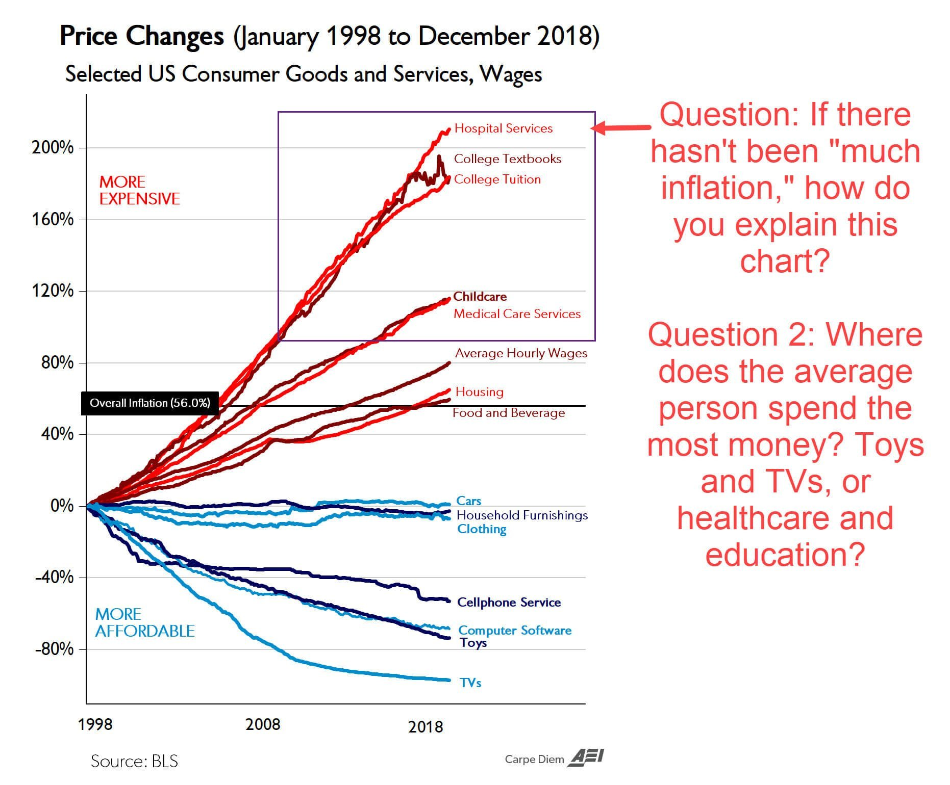

If you live in a society that has Fiat Currency Operate under the assumption that the true rate of inflation is significantly higher than what mainstream official sources tell you it is
Inflation is GOOD for equity-holders (owners) and borrowers. Inflation is BAD for lenders. Inflation is usually bad for employees/wage slaves (people who get their income by selling their labor). Few understand this.

"If your IQ is 130+ you're in the top 2% of intelligence. You're a statistical outlier. Society was not designed for people like you. You won't feel like you fit in, because you don't. Your brilliance makes you a weirdo, and there's nothing wrong with that. Accept yourself." -Illimitable Man

Spent my adult life in the financial industry (America) The fact that money is constantly being printed was mentioned *zero* times. It was never directly relevant to the day to day financial transactions where my colleagues and I made money.
...

